Sheet1
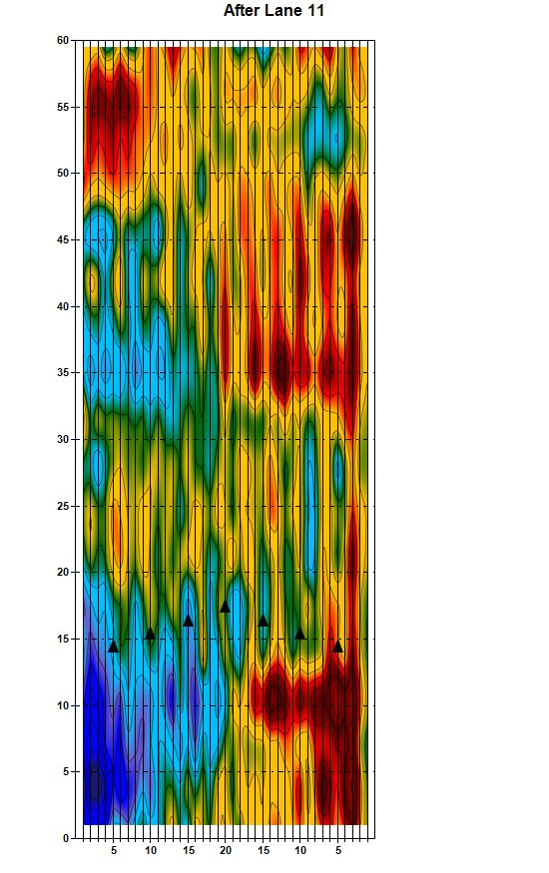
KTC Topography Report

